Page Layout
Project Name |  |  |  | Wow tasty |  | User Type |  |  |  |  | User |  |  |  | Writer | Hak Choi
Phase |  |  |  | Requirements programing design |  | Page Name |  |  |  |  | My Account |  |  |  | Date | 11/18/2012

 | 1. Page layout

 |  | 1 ) layout
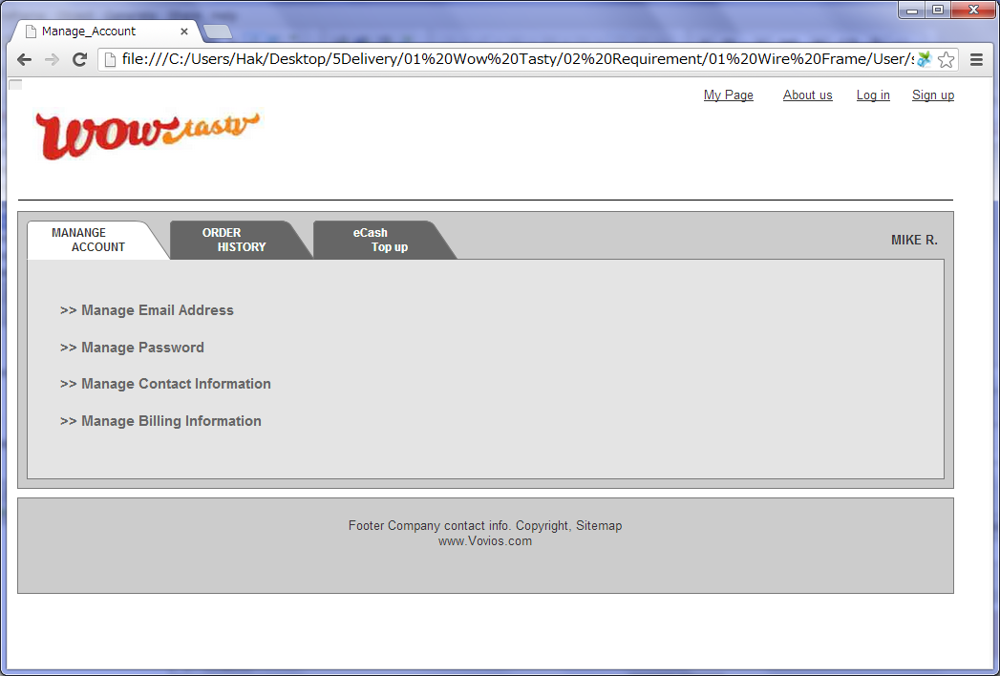

 |  | 2) Field list

 |  | No. | Name |  | Controller |  | Len | Align |  | Default |  | Note
 |  | 1 | Member Name |  | Link |  |  |  |  |  |  | First Name + Last Name Initial +"."
 |  | 2 | Manage Email Address |  | Link
 |  | 3 | Manage Password |  | Link
 |  | 4 | Manage Contact Information |  | Link
 |  | 5 | Manage Billing Information |  | Link

 |  | 3) Validation list

 |  | - Unit validation
 |  | No. | Name |  | Required | Type |  |  | Other |  |  |  |  | Error Message

 |  | - Correlation validation
 |  | No. | Condition |  | Field |  |  |  |  |  | Required |  | Other | Error message

Page Transition
Project Name |  |  |  |  | Wow tasty |  |  | User Type |  |  | User |  | Writer |  | Hak Choi
Phase |  |  |  |  | Requirements programing design |  |  | Page Name |  |  | My Account |  | Date |  | 11/18/2012

 | 2. Page Transition

 |  | 1) Event List

 |  | No. | Name |  |  | Event |  |  | Condition |  |  | Destination page
 |  | 1 | Manage Email Address |  |  | Click |  |  |  |  |  | Show [Manage Email Address] layer and Hide other layers
 |  | 2 | Manage Password |  |  | Click |  |  |  |  |  | Show [Manage Password] layer and Hide other layers
 |  | 3 | Manage Contact Information |  |  | Click |  |  |  |  |  | Show [Manage Contact Information] layer and Hide other layers
 |  | 4 | Manage Billing Information |  |  | Click |  |  |  |  |  | Show [Manage Billing Information] layer and Hide other layers

 |  | 2) Page Transition |  |  |  |  |  |  |  |  |  |  |  | page |  | layer

1, 2, 3, 4
 |  |  |  |  |  |  | Manage Email Address
 |  |  |  |  |  |  |  | Manage Password
 |  |  |  | My Account |  |  |  |  | Manage Contact Information
 |  |  |  |  |  |  |  |  |  | Manage Billing Information

